Daily Checklist
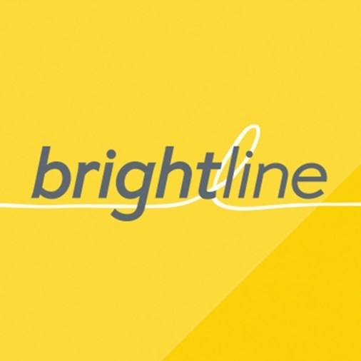 Water Meters Reading
Meter | 5/10 | 6/16 | 7/13 | 7/13 Pictures
PM Office | 141 | 37 | 57 | 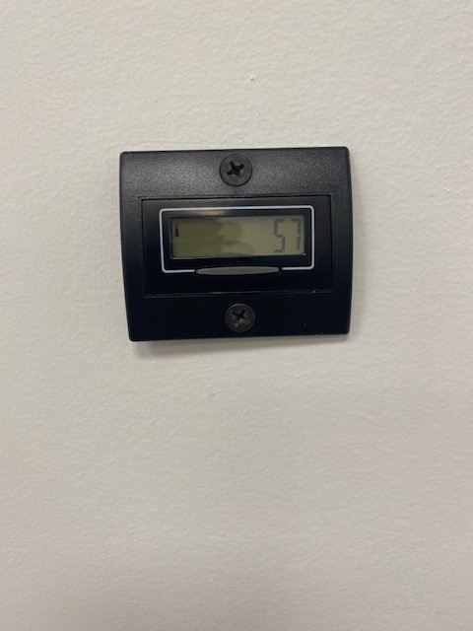
Joe and the Juice | 003698 | 003833 | 003995 | 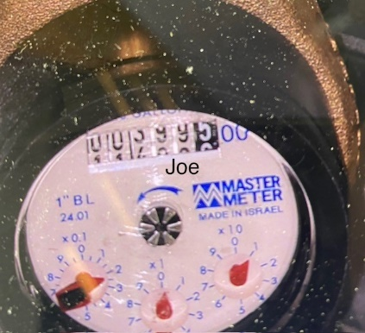
Cicci Carne | 000124 | 000124 | 000124 | 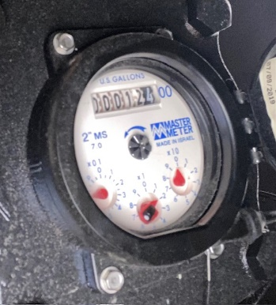
Cindy Cookies | 000116 | 000116 | 000116 | 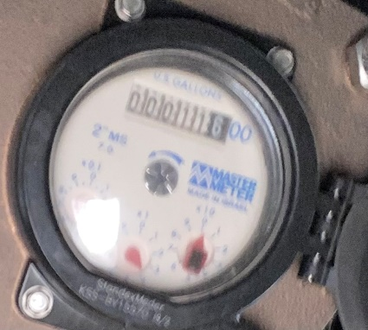 1
Ella Mia | 000625 | 000626 | 000626 | 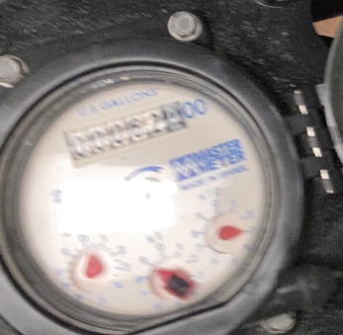 1
Rosetta | 000117 | 000117 | 000117 | 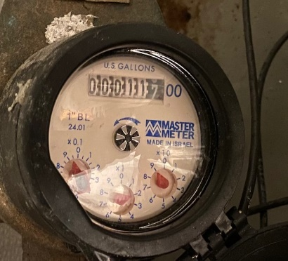
Art de vivre | 000098 | 000098 | 000098 | 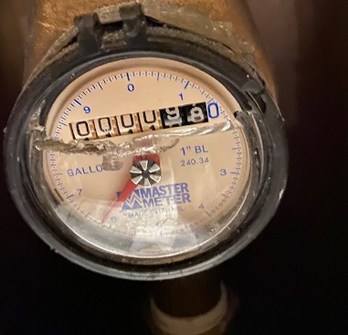
Plan Nation | 000092 | 000092 | 000092 | 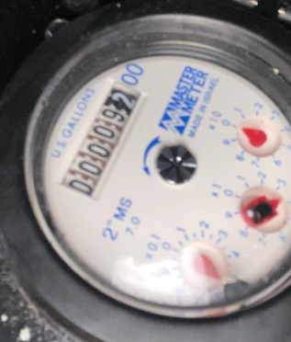
Go Green | 000006 | 000007 | 000007 | 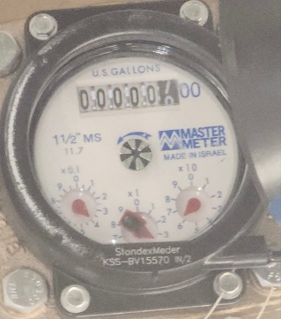
Umami Burgers | 3281 | 3281 | 3281 | 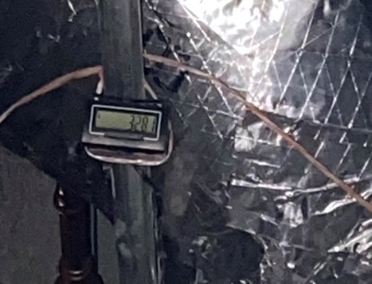
Kuenko | 3136 | 3157 | 3157 | 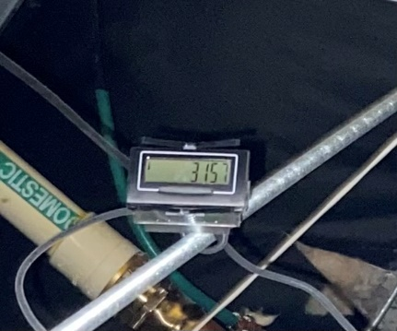
La Estacion | 005284 | 005356 | 005431 | 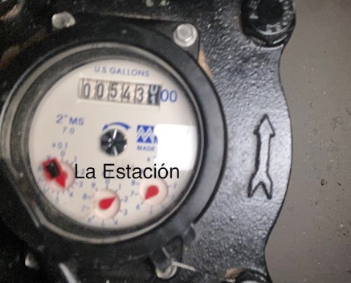
Central Fare Kitchen | 004395 | 004426 | 004448 | 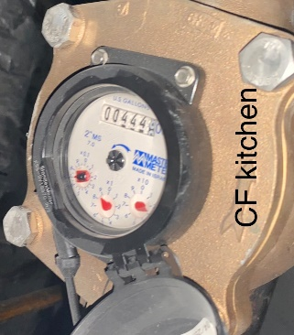
Central Fare Bathroom | 001414 | 001416 | 001416 | 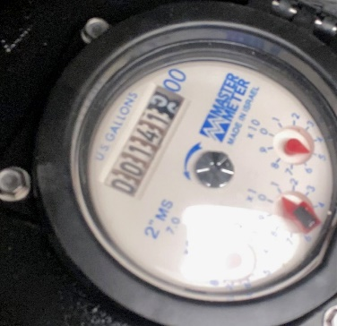
Chick Fil A | 009039 | 009402 | 009679 | 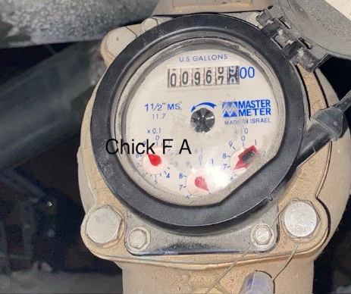
Starbucks | 007591 | 007881 | 008119 | 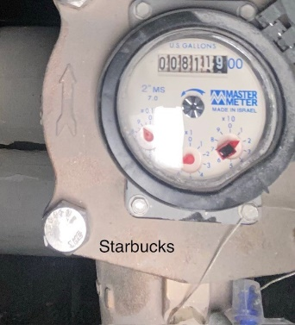
Brightline Parking | 000142 | 000158 | 000173 | 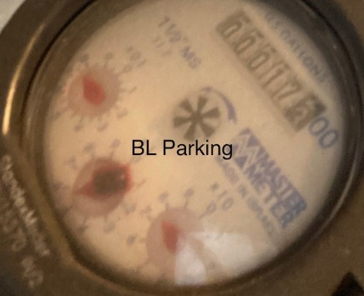
Brightline Headquarters | 00228027 | 00255182 | 00278795 | 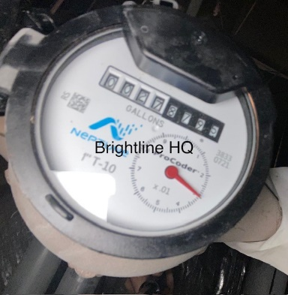
PowerHouse | 003971 | 004436 | 004811 | 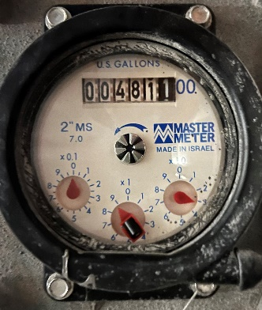
OB2 | 043,410,634.768 | 045,247,079.764 | 047,164,542.300 | 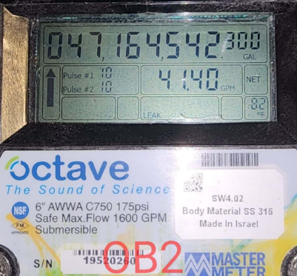
OB3 | 037,370,225.102 | 038,925,576.759 | 040,495,970.053 | 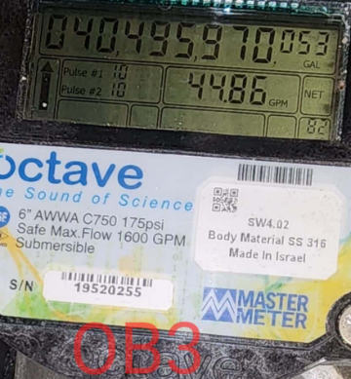
2MC Coolling Tower | 1382640 | 1410260 | 14441140 | 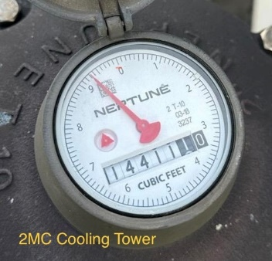
2MC | 24,983 | 27,754 | 30542 | 